Question Mark


What is MS Excel & Why we need to do it ?

Definition of MS Excel
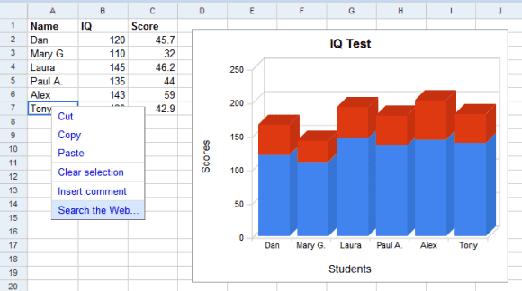
Microsoft Excel is a spreadsheet editor developed by Microsoft for Windows, macOS, Android, iOS and iPadOS. It features calculation or computation capabilities, graphing tools, pivot tables, and a macro programming language called Visual Basic for Applications (VBA).

Define
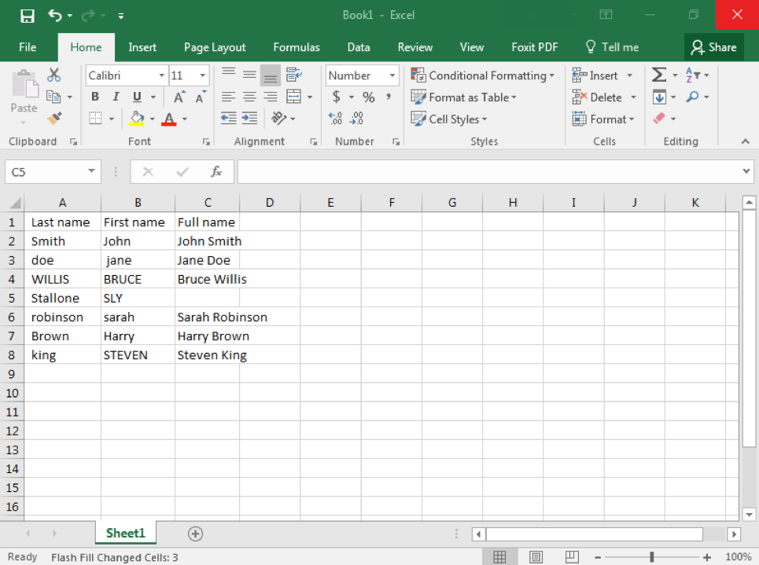
rows | columns | cells

Base


KS- navigation

Sr No | Keyboard Shortcuts
1 | Ctrl+A | to select whole data
2 | Ctrl+C | to copy
3 | Ctrl+V | to paste
4 | Ctrl+X | to transfrom
5 | Ctrl+Z | to undo
6 | Ctrl+Y | to redo
7 | Shift+ Arrow keys | select data 1 by 1
8 | Ctrl+ Arrow keys | jump 1 st to last
9 | Ctrl+Shift+Arrow | select the data in single click
10 | Ctrl+Home | reach to a1 cell
11 | Ctrl+ End | reach to lst cell
12 | Ctrl+ Page Up | reach up
13 | Ctrl+ Page Down | reach down
14 | Ctrl+G | go to | S.NO. | Name | Maths | Science | English | Hindi | Sanskrit
15 | Ctrl+Spacebar | select whole column | 1 | Rajesh | 30 | 60 | 50 | 60 | 90
16 | Shift+Spacebar | select whole row | 2 | Shyam | 60 | 70 | 80 | 90 | 99
17 | Ctrl+ (minus key) | delete cell | 3 | Shubham | 22 | 34 | 55 | 66 | 77
18 | Ctrl+ (Plus key) | insert cell | 4 | Palkesh | 80 | 90 | 60 | 56 | 88
19 | Ctrl+F1 | full screen | 5 | Raju | 40 | 50 | 43 | 55 | 67
20 | Ctrl+1

Find, Replace,Select, Clear
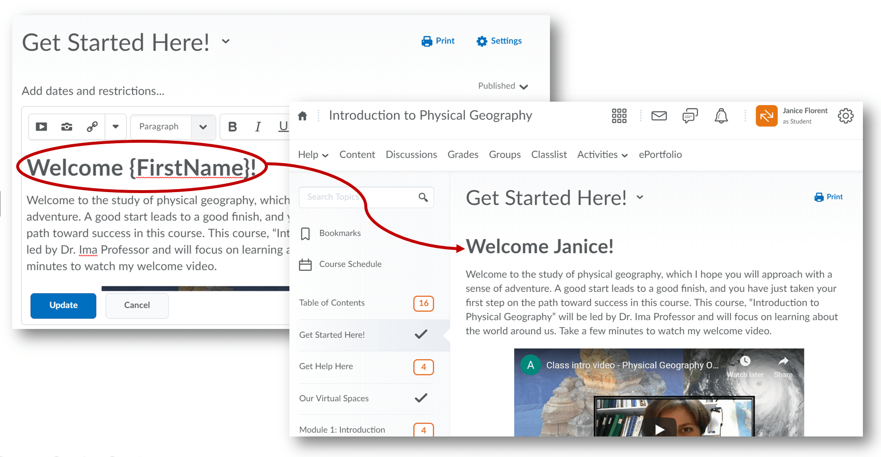
S.NO. | Name | Maths | Science | English | Hindi | Sanskrit
1 | Rajesh | 30 | 80 | 50 | 80 | 90
2 | Shyam | 80 | 70 | 80 | 90 | 99
3 | Shubham | 22 | 34 | 55 | 66 | 77
4 | Palkesh | 80 | 90 | 80 | 56 | 88 | Find | Ctrl+F
5 | Raju | 40 | 50 | 43 | 55 | 67 | Find & Replace | Ctrl+H
 |  |  |  |  |  |  | Go To | Ctrl+G
 |  |  |  |  |  |  | Go To Special | Ctrl+G then Alt+S

